Cozmo
Image | Name | Price
 | Cozmo | 25$
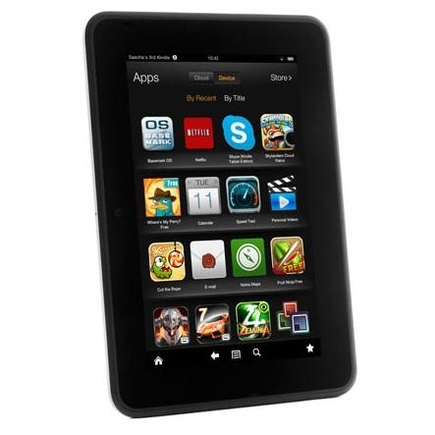 | Kindle Fire | 10$

